Sheet1
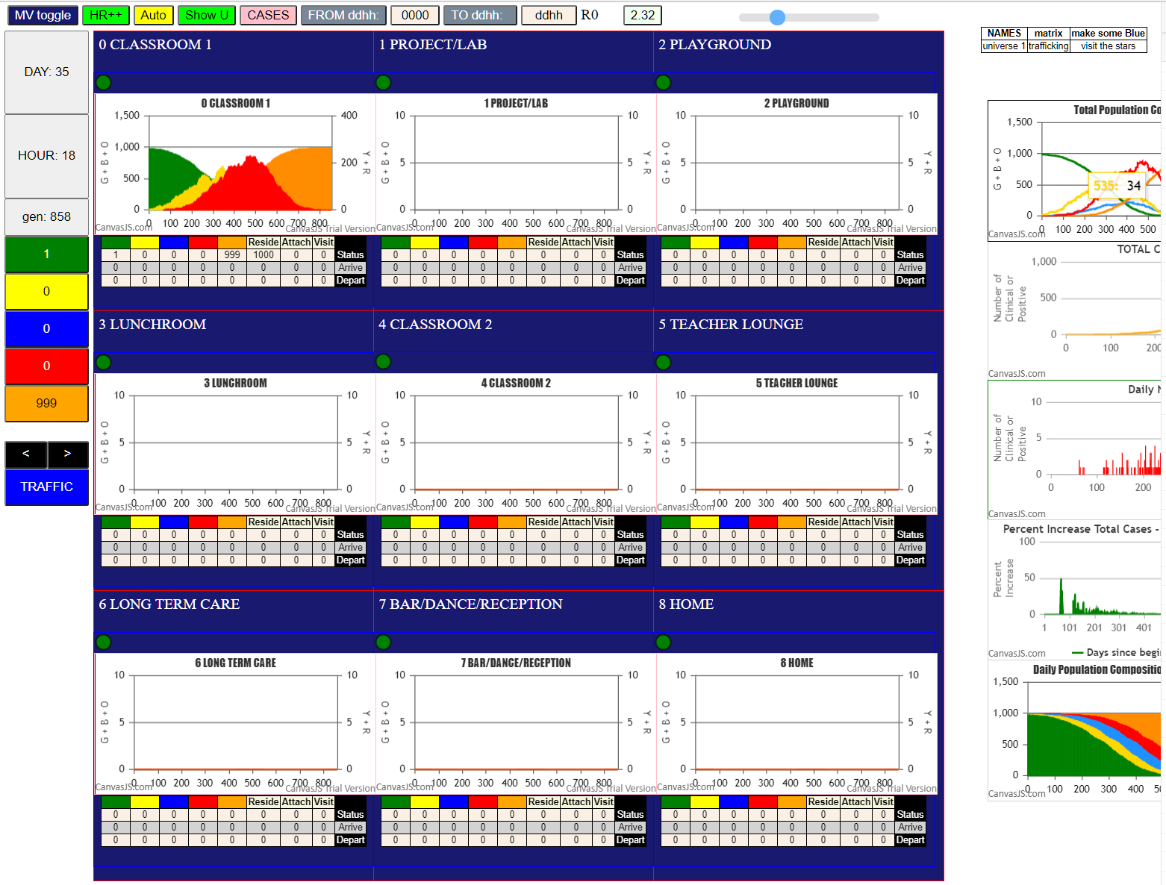

Some messages have been moved to the Issues panel.
CovidSIMVLvax.js:4 CovidSIMVL 2021.02.20 version = SingleU graph to line; Comp; States output per gen
CovidSIMVLvax.js:871 Fri Feb 26 2021 19:07:27 GMT-0800 (Pacific Standard Time)
CovidSIMVLvax.js:872 CovidSIMVL Feb 2021 supports CaseInfDays + HzR + mingleFactor/Univ + popnAges + Multiverse + RiskFactor
CovidSIMVLvax.js:873 CovidSIMVL Vax by VisibleU any day for n% remaining susceptibe; Mode1 and Mode2 two jabs
CovidSIMVLvax.js:874 Mode 1 >13 and <36 is 75%
CovidSIMVLvax.js:875 Mode 2 >28 is 95%; >13 and <29 is 75%
CovidSIMVLvax.js:4540 exit covidSim
CovidSIMVLvax.js:23 getAsText File {name: "Popn1000.csv", lastModified: 1611430642000, lastModifiedDate: Sat Jan 23 2021 11:37:22 GMT-0800 (Pacific Standard Time), webkitRelativePath: "", size: 23944, …}
CovidSIMVLvax.js:32 File {name: "Popn1000.csv", lastModified: 1611430642000, lastModifiedDate: Sat Jan 23 2021 11:37:22 GMT-0800 (Pacific Standard Time), webkitRelativePath: "", size: 23944, …}
CovidSIMVLvax.js:23 getAsText File {name: "2021.02.15 VLfive.csv", lastModified: 1613114348342, lastModifiedDate: Thu Feb 11 2021 23:19:08 GMT-0800 (Pacific Standard Time), webkitRelativePath: "", size: 146, …}
CovidSIMVLvax.js:32 File {name: "2021.02.15 VLfive.csv", lastModified: 1613114348342, lastModifiedDate: Thu Feb 11 2021 23:19:08 GMT-0800 (Pacific Standard Time), webkitRelativePath: "", size: 146, …}
CovidSIMVLvax.js:2320 0I x:ageGp:fam 516:3:-1 by green 11:1:-1 at gen0 Univ0 prob=0.218
CovidSIMVLvax.js:2320 0I x:ageGp:fam 938:7:-1 by green 11:1:-1 at gen0 Univ0 prob=0.327
CovidSIMVLvax.js:2320 0I x:ageGp:fam 191:2:-1 by green 13:1:-1 at gen0 Univ0 prob=0.465
CovidSIMVLvax.js:2320 0I x:ageGp:fam 387:3:-1 by green 14:1:-1 at gen0 Univ0 prob=0.882
CovidSIMVLvax.js:3011 Structure U0 gen0 1000:0:0:0:0
CovidSIMVLvax.js:3000 Structure S0 gen0 1000:0:0:0:0
CovidSIMVLvax.js:1703 New Hazard Radius = 2.1
CovidSIMVLvax.js:1717 new Mingle Factor = 0.95
CovidSIMVLvax.js:1681 Red Days changed to 8.2
CovidSIMVLvax.js:3011 Structure U0 gen1 993:4:3:0:0
CovidSIMVLvax.js:3000 Structure S0 gen1 993:4:3:0:0
CovidSIMVLvax.js:2320 7I x:ageGp:fam 268:2:-1 by blue 12:1:-1 at gen2 Univ0 prob=0.588
CovidSIMVLvax.js:3011 Structure U0 gen2 992:4:4:0:0
CovidSIMVLvax.js:3000 Structure S0 gen2 992:4:4:0:0
CovidSIMVLvax.js:3011 Structure U0 gen3 991:5:4:0:0
CovidSIMVLvax.js:3000 Structure S0 gen3 991:5:4:0:0
CovidSIMVLvax.js:2320 9I x:ageGp:fam 812:5:-1 by blue 12:1:-1 at gen6 Univ0 prob=0.728
CovidSIMVLvax.js:3011 Structure U0 gen7 990:6:4:0:0
CovidSIMVLvax.js:3000 Structure S0 gen7 990:6:4:0:0
CovidSIMVLvax.js:3011 Structure U0 gen8 989:6:5:0:0
CovidSIMVLvax.js:3000 Structure S0 gen8 989:6:5:0:0
CovidSIMVLvax.js:2320 11I x:ageGp:fam 646:4:-1 by blue 12:1:-1 at gen9 Univ0 prob=0.651
CovidSIMVLvax.js:3011 Structure U0 gen10 988:7:5:0:0
CovidSIMVLvax.js:3000 Structure S0 gen10 988:7:5:0:0
CovidSIMVLvax.js:2320 12I x:ageGp:fam 693:5:-1 by blue 10:1:-1 at gen20 Univ0 prob=0.674
CovidSIMVLvax.js:3011 Structure U0 gen21 987:8:5:0:0
CovidSIMVLvax.js:3000 Structure S0 gen21 987:8:5:0:0
CovidSIMVLvax.js:2320 13I x:ageGp:fam 518:3:-1 by blue 12:1:-1 at gen22 Univ0 prob=0.281
CovidSIMVLvax.js:2320 13I x:ageGp:fam 555:4:-1 by blue 10:1:-1 at gen23 Univ0 prob=0.657
CovidSIMVLvax.js:3011 Structure U0 gen23 986:9:5:0:0
CovidSIMVLvax.js:3000 Structure S0 gen23 986:9:5:0:0
CovidSIMVLvax.js:3011 Structure U0 gen24 985:10:5:0:0
CovidSIMVLvax.js:3000 Structure S0 gen24 985:10:5:0:0
CovidSIMVLvax.js:2320 15I x:ageGp:fam 835:6:-1 by blue 12:1:-1 at gen29 Univ0 prob=0.095
CovidSIMVLvax.js:3011 Structure U0 gen30 984:11:5:0:0
CovidSIMVLvax.js:3000 Structure S0 gen30 984:11:5:0:0
CovidSIMVLvax.js:2320 16I x:ageGp:fam 321:2:-1 by blue 13:1:-1 at gen31 Univ0 prob=0.328
CovidSIMVLvax.js:2320 16I x:ageGp:fam 676:4:-1 by blue 10:1:-1 at gen32 Univ0 prob=0.915
CovidSIMVLvax.js:3011 Structure U0 gen32 983:12:5:0:0
CovidSIMVLvax.js:3000 Structure S0 gen32 983:12:5:0:0
CovidSIMVLvax.js:2320 17I x:ageGp:fam 242:2:-1 by blue 12:1:-1 at gen33 Univ0 prob=0.259
CovidSIMVLvax.js:2320 17I x:ageGp:fam 338:2:-1 by blue 12:1:-1 at gen33 Univ0 prob=0.641
CovidSIMVLvax.js:3011 Structure U0 gen33 982:13:5:0:0
CovidSIMVLvax.js:3000 Structure S0 gen33 982:13:5:0:0
CovidSIMVLvax.js:3011 Structure U0 gen34 980:15:5:0:0
CovidSIMVLvax.js:3000 Structure S0 gen34 980:15:5:0:0
CovidSIMVLvax.js:2320 20I x:ageGp:fam 15:0:-1 by blue 12:1:-1 at gen37 Univ0 prob=0.374
CovidSIMVLvax.js:3011 Structure U0 gen38 979:16:5:0:0
CovidSIMVLvax.js:3000 Structure S0 gen38 979:16:5:0:0
CovidSIMVLvax.js:2320 21I x:ageGp:fam 959:8:-1 by blue 13:1:-1 at gen41 Univ0 prob=0.401
CovidSIMVLvax.js:3011 Structure U0 gen42 978:17:5:0:0
CovidSIMVLvax.js:3000 Structure S0 gen42 978:17:5:0:0
CovidSIMVLvax.js:2320 22I x:ageGp:fam 28:0:-1 by blue 13:1:-1 at gen43 Univ0 prob=0.665
CovidSIMVLvax.js:2320 22I x:ageGp:fam 403:3:-1 by blue 13:1:-1 at gen44 Univ0 prob=0.374
CovidSIMVLvax.js:3011 Structure U0 gen44 977:18:5:0:0
CovidSIMVLvax.js:3000 Structure S0 gen44 977:18:5:0:0
CovidSIMVLvax.js:3011 Structure U0 gen45 976:19:5:0:0
CovidSIMVLvax.js:3000 Structure S0 gen45 976:19:5:0:0
CovidSIMVLvax.js:2320 24I x:ageGp:fam 446:3:-1 by blue 12:1:-1 at gen46 Univ0 prob=0.328
CovidSIMVLvax.js:2320 24I x:ageGp:fam 588:4:-1 by blue 14:1:-1 at gen46 Univ0 prob=0.230
CovidSIMVLvax.js:3011 Structure U0 gen47 974:21:5:0:0
CovidSIMVLvax.js:3000 Structure S0 gen47 974:21:5:0:0
CovidSIMVLvax.js:3011 Structure U0 gen49 974:20:6:0:0
CovidSIMVLvax.js:3000 Structure S0 gen49 974:20:6:0:0
CovidSIMVLvax.js:2320 26I x:ageGp:fam 508:3:-1 by blue 12:1:-1 at gen51 Univ0 prob=0.780
CovidSIMVLvax.js:3011 Structure U0 gen51 974:19:7:0:0
CovidSIMVLvax.js:3000 Structure S0 gen51 974:19:7:0:0
CovidSIMVLvax.js:3011 Structure U0 gen52 973:19:8:0:0
CovidSIMVLvax.js:3000 Structure S0 gen52 973:19:8:0:0
CovidSIMVLvax.js:3011 Structure U0 gen53 973:18:9:0:0
CovidSIMVLvax.js:3000 Structure S0 gen53 973:18:9:0:0
CovidSIMVLvax.js:3011 Structure U0 gen54 973:17:10:0:0
CovidSIMVLvax.js:3000 Structure S0 gen54 973:17:10:0:0
CovidSIMVLvax.js:3011 Structure U0 gen56 973:16:11:0:0
CovidSIMVLvax.js:3000 Structure S0 gen56 973:16:11:0:0
CovidSIMVLvax.js:3011 Structure U0 gen59 973:15:12:0:0
CovidSIMVLvax.js:3000 Structure S0 gen59 973:15:12:0:0
CovidSIMVLvax.js:2320 27I x:ageGp:fam 106:1:-1 by blue 13:1:-1 at gen60 Univ0 prob=0.808
CovidSIMVLvax.js:3011 Structure U0 gen61 972:16:12:0:0
CovidSIMVLvax.js:3000 Structure S0 gen61 972:16:12:0:0
CovidSIMVLvax.js:2320 28I x:ageGp:fam 376:3:-1 by blue 11:1:-1 at gen62 Univ0 prob=0.967
CovidSIMVLvax.js:3011 Structure U0 gen63 971:17:10:2:0
CovidSIMVLvax.js:3000 Structure S0 gen63 971:17:10:2:0
CovidSIMVLvax.js:3011 Structure U0 gen65 971:17:9:3:0
CovidSIMVLvax.js:3000 Structure S0 gen65 971:17:9:3:0
CovidSIMVLvax.js:2320 29I x:ageGp:fam 163:2:-1 by blue 10:1:-1 at gen66 Univ0 prob=0.107
CovidSIMVLvax.js:2320 29I x:ageGp:fam 570:4:-1 by red 11:1:-1 at gen66 Univ0 prob=0.225
CovidSIMVLvax.js:3011 Structure U0 gen67 969:19:9:3:0
CovidSIMVLvax.js:3000 Structure S0 gen67 969:19:9:3:0
CovidSIMVLvax.js:2320 31I x:ageGp:fam 288:2:-1 by red 14:1:-1 at gen69 Univ0 prob=0.546
CovidSIMVLvax.js:2320 31I x:ageGp:fam 36:0:-1 by blue 191:2:-1 at gen69 Univ0 prob=0.490
CovidSIMVLvax.js:2320 31I x:ageGp:fam 285:2:-1 by blue 13:1:-1 at gen70 Univ0 prob=0.599
CovidSIMVLvax.js:3011 Structure U0 gen70 967:21:8:4:0
CovidSIMVLvax.js:3000 Structure S0 gen70 967:21:8:4:0
CovidSIMVLvax.js:3011 Structure U0 gen71 966:22:8:4:0
CovidSIMVLvax.js:3000 Structure S0 gen71 966:22:8:4:0
CovidSIMVLvax.js:3011 Structure U0 gen72 966:22:7:5:0
CovidSIMVLvax.js:3000 Structure S0 gen72 966:22:7:5:0
CovidSIMVLvax.js:3011 Structure U0 gen73 966:21:8:5:0
CovidSIMVLvax.js:3000 Structure S0 gen73 966:21:8:5:0
CovidSIMVLvax.js:2320 34I x:ageGp:fam 963:8:-1 by blue 516:3:-1 at gen75 Univ0 prob=0.672
CovidSIMVLvax.js:3011 Structure U0 gen75 966:20:9:5:0
CovidSIMVLvax.js:3000 Structure S0 gen75 966:20:9:5:0
CovidSIMVLvax.js:2320 34I x:ageGp:fam 789:5:-1 by blue 693:5:-1 at gen76 Univ0 prob=0.489
CovidSIMVLvax.js:3011 Structure U0 gen76 965:21:9:5:0
CovidSIMVLvax.js:3000 Structure S0 gen76 965:21:9:5:0
CovidSIMVLvax.js:2320 35I x:ageGp:fam 424:3:-1 by blue 191:2:-1 at gen77 Univ0 prob=0.975
CovidSIMVLvax.js:3011 Structure U0 gen77 964:22:9:5:0
CovidSIMVLvax.js:3000 Structure S0 gen77 964:22:9:5:0
CovidSIMVLvax.js:2320 36I x:ageGp:fam 210:2:-1 by blue 387:3:-1 at gen78 Univ0 prob=0.080
CovidSIMVLvax.js:3011 Structure U0 gen78 963:22:10:5:0
CovidSIMVLvax.js:3000 Structure S0 gen78 963:22:10:5:0
CovidSIMVLvax.js:2320 37I x:ageGp:fam 954:8:-1 by red 10:1:-1 at gen79 Univ0 prob=0.956
CovidSIMVLvax.js:2320 37I x:ageGp:fam 270:2:-1 by blue 387:3:-1 at gen79 Univ0 prob=0.079
CovidSIMVLvax.js:2320 37I x:ageGp:fam 830:6:-1 by blue 812:5:-1 at gen79 Univ0 prob=0.376
CovidSIMVLvax.js:3011 Structure U0 gen79 962:23:10:5:0
CovidSIMVLvax.js:3000 Structure S0 gen79 962:23:10:5:0
CovidSIMVLvax.js:2320 38I x:ageGp:fam 111:1:-1 by red 10:1:-1 at gen80 Univ0 prob=0.497
CovidSIMVLvax.js:3011 Structure U0 gen80 959:26:10:5:0
CovidSIMVLvax.js:3000 Structure S0 gen80 959:26:10:5:0
CovidSIMVLvax.js:3011 Structure U0 gen81 958:27:10:5:0
CovidSIMVLvax.js:3000 Structure S0 gen81 958:27:10:5:0
CovidSIMVLvax.js:2320 42I x:ageGp:fam 85:1:-1 by blue 268:2:-1 at gen82 Univ0 prob=0.286
CovidSIMVLvax.js:2320 42I x:ageGp:fam 675:4:-1 by blue 191:2:-1 at gen82 Univ0 prob=0.079
CovidSIMVLvax.js:2320 42I x:ageGp:fam 429:3:-1 by blue 646:4:-1 at gen82 Univ0 prob=0.321
CovidSIMVLvax.js:3011 Structure U0 gen82 958:25:12:5:0
CovidSIMVLvax.js:3000 Structure S0 gen82 958:25:12:5:0
CovidSIMVLvax.js:2320 42I x:ageGp:fam 122:1:-1 by red 10:1:-1 at gen83 Univ0 prob=0.898
CovidSIMVLvax.js:3011 Structure U0 gen83 955:28:12:5:0
CovidSIMVLvax.js:3000 Structure S0 gen83 955:28:12:5:0
CovidSIMVLvax.js:2320 45I x:ageGp:fam 704:5:-1 by blue 812:5:-1 at gen84 Univ0 prob=0.278
CovidSIMVLvax.js:3011 Structure U0 gen84 954:27:14:5:0
CovidSIMVLvax.js:3000 Structure S0 gen84 954:27:14:5:0
CovidSIMVLvax.js:2320 46I x:ageGp:fam 464:3:-1 by blue 242:2:-1 at gen85 Univ0 prob=0.293
CovidSIMVLvax.js:3011 Structure U0 gen85 953:28:14:5:0
CovidSIMVLvax.js:3000 Structure S0 gen85 953:28:14:5:0
CovidSIMVLvax.js:2320 47I x:ageGp:fam 756:5:-1 by blue 518:3:-1 at gen86 Univ0 prob=0.121
CovidSIMVLvax.js:3011 Structure U0 gen86 952:29:14:5:0
CovidSIMVLvax.js:3000 Structure S0 gen86 952:29:14:5:0
CovidSIMVLvax.js:3011 Structure U0 gen87 951:30:14:5:0
CovidSIMVLvax.js:3000 Structure S0 gen87 951:30:14:5:0
CovidSIMVLvax.js:3011 Structure U0 gen88 951:29:15:5:0
CovidSIMVLvax.js:3000 Structure S0 gen88 951:29:15:5:0
CovidSIMVLvax.js:2320 49I x:ageGp:fam 255:2:-1 by blue 242:2:-1 at gen89 Univ0 prob=0.873
CovidSIMVLvax.js:2320 49I x:ageGp:fam 419:3:-1 by blue 938:7:-1 at gen90 Univ0 prob=0.556
CovidSIMVLvax.js:3011 Structure U0 gen90 950:29:16:5:0
CovidSIMVLvax.js:3000 Structure S0 gen90 950:29:16:5:0
CovidSIMVLvax.js:3011 Structure U0 gen91 949:30:16:5:0
CovidSIMVLvax.js:3000 Structure S0 gen91 949:30:16:5:0
CovidSIMVLvax.js:3011 Structure U0 gen92 949:28:18:5:0
CovidSIMVLvax.js:3000 Structure S0 gen92 949:28:18:5:0
CovidSIMVLvax.js:2320 51I x:ageGp:fam 97:1:-1 by blue 387:3:-1 at gen94 Univ0 prob=0.362
CovidSIMVLvax.js:2320 51I x:ageGp:fam 822:6:-1 by blue 28:0:-1 at gen95 Univ0 prob=0.407
CovidSIMVLvax.js:2320 51I x:ageGp:fam 653:4:-1 by blue 693:5:-1 at gen95 Univ0 prob=0.419
CovidSIMVLvax.js:3011 Structure U0 gen95 948:29:18:5:0
CovidSIMVLvax.js:3000 Structure S0 gen95 948:29:18:5:0
CovidSIMVLvax.js:3011 Structure U0 gen96 946:31:18:5:0
CovidSIMVLvax.js:3000 Structure S0 gen96 946:31:18:5:0
CovidSIMVLvax.js:2320 54I x:ageGp:fam 53:1:-1 by red 11:1:-1 at gen97 Univ0 prob=0.238
CovidSIMVLvax.js:2320 54I x:ageGp:fam 153:2:-1 by blue 812:5:-1 at gen97 Univ0 prob=0.570
CovidSIMVLvax.js:2320 54I x:ageGp:fam 867:6:-1 by blue 693:5:-1 at gen97 Univ0 prob=0.874
CovidSIMVLvax.js:3011 Structure U0 gen97 946:30:19:5:0
CovidSIMVLvax.js:3000 Structure S0 gen97 946:30:19:5:0
CovidSIMVLvax.js:3011 Structure U0 gen98 943:33:19:5:0
CovidSIMVLvax.js:3000 Structure S0 gen98 943:33:19:5:0
CovidSIMVLvax.js:2320 57I x:ageGp:fam 128:1:-1 by blue 959:8:-1 at gen99 Univ0 prob=0.062
CovidSIMVLvax.js:3011 Structure U0 gen99 943:32:20:5:0
CovidSIMVLvax.js:3000 Structure S0 gen99 943:32:20:5:0
CovidSIMVLvax.js:3011 Structure U0 gen100 942:32:21:5:0
CovidSIMVLvax.js:3000 Structure S0 gen100 942:32:21:5:0
CovidSIMVLvax.js:2320 58I x:ageGp:fam 551:4:-1 by blue 693:5:-1 at gen101 Univ0 prob=0.510
CovidSIMVLvax.js:2320 58I x:ageGp:fam 101:1:-1 by blue 518:3:-1 at gen102 Univ0 prob=0.264
...

